Figure S1
Figure S1. Stability of the causal association between autoimmune thyroiditis (exposure) and non-Hodgkin lymphoma (outcome)
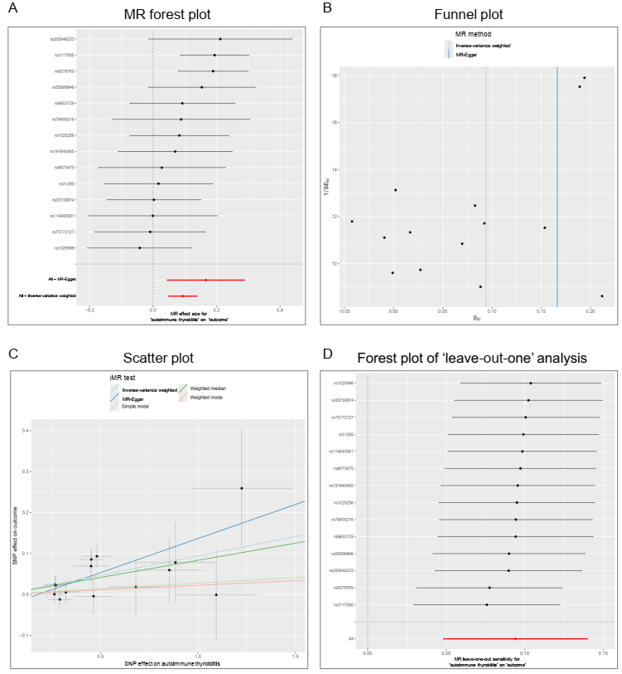

Abbreviations: IV: Instrumental variable; MR: Mendelian randomization; SE: Standard error; SNP: Single nucleotide polymorphism.

Figure S2
Figure S2. Stability of the causal association between autoimmune thyroiditis (exposure) and malignant neoplasm of the testis (outcome).
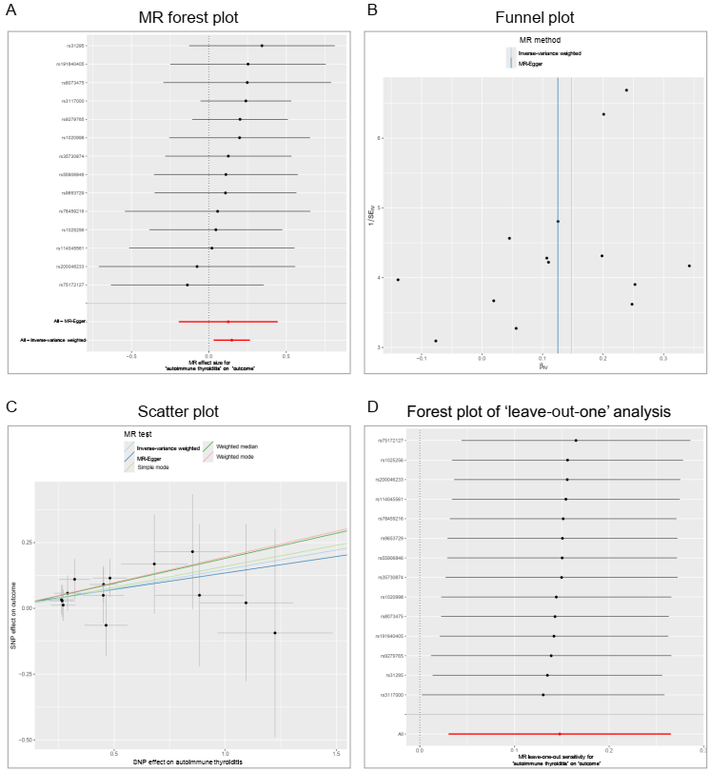

Abbreviations: IV: Instrumental variable; MR: Mendelian randomization; SE: Standard error; SNP: Single nucleotide polymorphism.

Figure S3
Figure S3. Stability of the causal association between Hashimoto's thyroiditis (exposure) and malignant neoplasm of the brain (outcome).
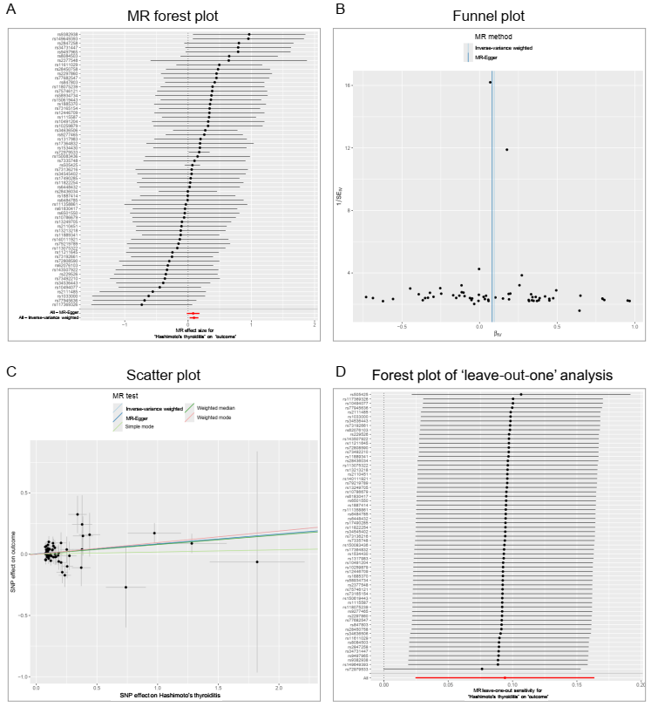

Abbreviations: IV: Instrumental variable; MR: Mendelian randomization; SE: Standard error; SNP: Single nucleotide polymorphism.

