Figure S1
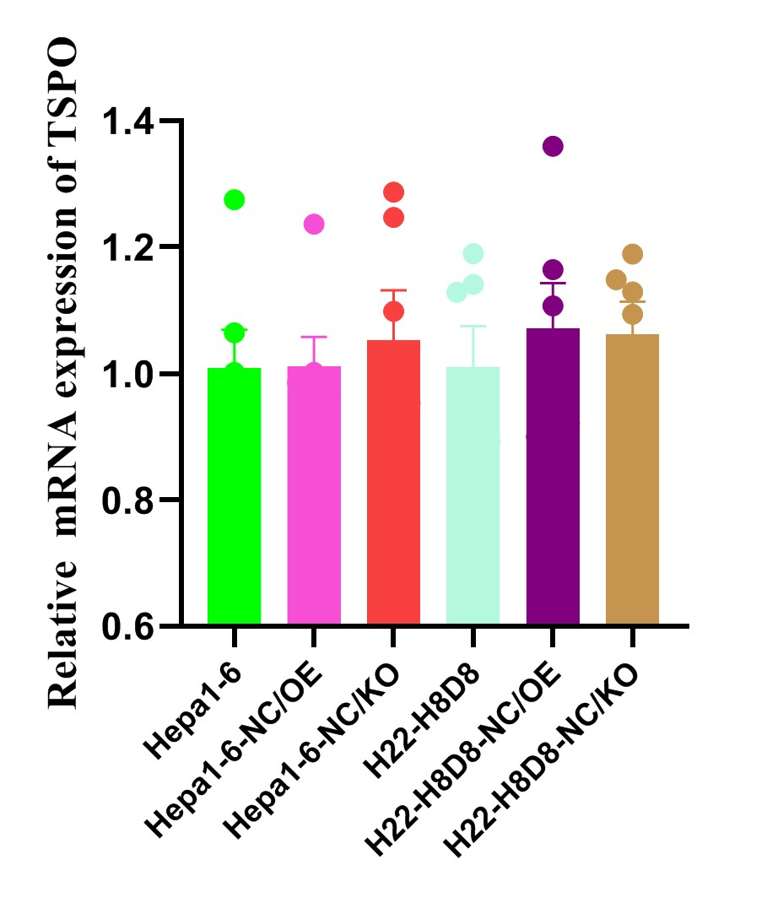

Figure S1. Relative mRNA expression of translocator protein (TSPO).

